BestModels Results
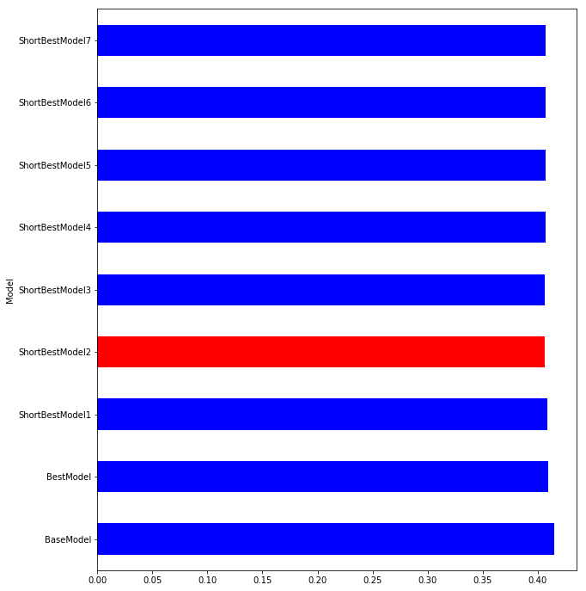
Model | S0.45 | S0.4 | S0.35 | S0.3 | S0.25 | S0.2 | S0.15 | S0.1 | Mean | t-pvalue | t-statistic | Group
BaseModel | 0.403727 | 0.412492 | 0.415355 | 0.409091 | 0.415305 | 0.425068 | 0.418854 | 0.418594 | 0.414811 | 1 | 0 | 1
BestModel | 0.402832 | 0.407093 | 0.408072 | 0.408576 | 0.40791 | 0.414221 | 0.408778 | 0.416191 | 0.409209 | 0.060066 | 2.045574 | 1
ShortBestModel1 | 0.396186 | 0.403184 | 0.402294 | 0.404349 | 0.411158 | 0.416451 | 0.414629 | 0.42225 | 0.408813 | 0.141338 | 1.55888 | 1
ShortBestModel2 | 0.395345 | 0.401047 | 0.400712 | 0.402089 | 0.407645 | 0.413008 | 0.410595 | 0.420955 | 0.406425 | 0.04059 | 2.256024 | 3
ShortBestModel3 | 0.394954 | 0.401563 | 0.402024 | 0.401891 | 0.407224 | 0.41261 | 0.411333 | 0.422727 | 0.406791 | 0.054764 | 2.095731 | 1
ShortBestModel4 | 0.395626 | 0.400855 | 0.400881 | 0.401628 | 0.4071 | 0.415084 | 0.412408 | 0.420901 | 0.40681 | 0.055055 | 2.092866 | 1
ShortBestModel5 | 0.39507 | 0.40111 | 0.400768 | 0.402712 | 0.408005 | 0.412486 | 0.412288 | 0.422375 | 0.406852 | 0.057292 | 2.071279 | 1
ShortBestModel6 | 0.394847 | 0.402233 | 0.401779 | 0.401835 | 0.407765 | 0.412687 | 0.412404 | 0.423161 | 0.407089 | 0.066736 | 1.987955 | 1
ShortBestModel7 | 0.395037 | 0.401887 | 0.400585 | 0.403009 | 0.408043 | 0.412911 | 0.41205 | 0.421782 | 0.406913 | 0.055876 | 2.084845 | 1

All Individual Features Results
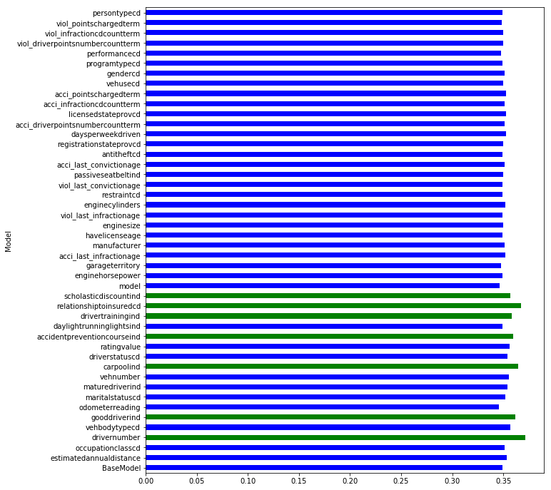
Model | S0.45 | S0.4 | S0.35 | S0.3 | S0.25 | S0.2 | S0.15 | S0.1 | Mean | t-pvalue | t-statistic | Group
drivernumber | 0.36014 | 0.364737 | 0.36663 | 0.363539 | 0.370042 | 0.377102 | 0.384449 | 0.382475 | 0.371139 | 0.000098 | -5.373723 | 2
carpoolind | 0.357444 | 0.360135 | 0.363056 | 0.360405 | 0.37042 | 0.375723 | 0.364574 | 0.36467 | 0.364554 | 0.000345 | -4.694811 | 2
relationshiptoinsuredcd | 0.357765 | 0.35992 | 0.362822 | 0.359681 | 0.368515 | 0.376389 | 0.379944 | 0.374093 | 0.367391 | 0.000392 | -4.627244 | 2
gooddriverind | 0.357681 | 0.357269 | 0.359944 | 0.353517 | 0.364008 | 0.370895 | 0.366306 | 0.362863 | 0.36156 | 0.001683 | -3.874909 | 2
accidentpreventioncourseind | 0.351196 | 0.353953 | 0.354547 | 0.355053 | 0.363533 | 0.372581 | 0.364442 | 0.362824 | 0.359766 | 0.010727 | -2.941417 | 2
drivertrainingind | 0.349127 | 0.35359 | 0.351974 | 0.353418 | 0.36268 | 0.369811 | 0.363299 | 0.36091 | 0.358101 | 0.025654 | -2.496213 | 2
scholasticdiscountind | 0.349086 | 0.352309 | 0.350793 | 0.352457 | 0.360813 | 0.368779 | 0.362781 | 0.358443 | 0.356933 | 0.045287 | -2.197796 | 2

AllIndFeatures FreqEncd Results
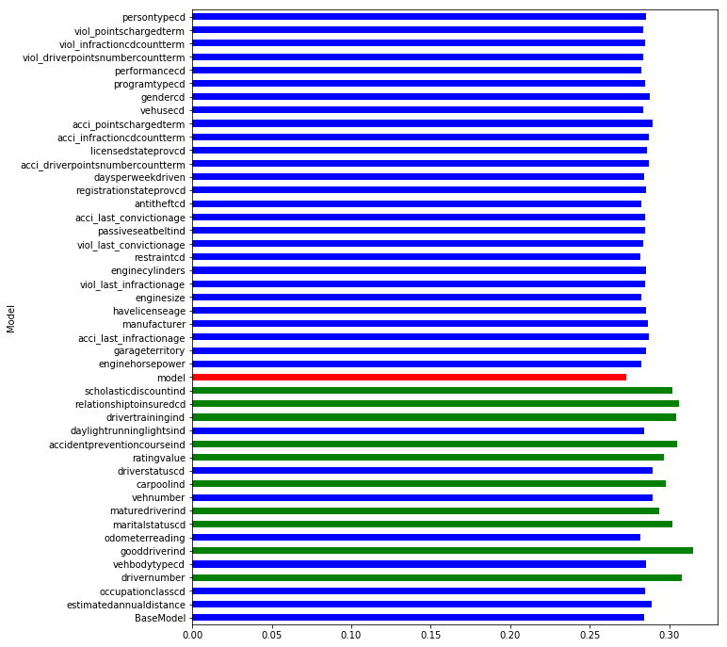
Model | S0.45 | S0.4 | S0.35 | S0.3 | S0.25 | S0.2 | S0.15 | S0.1 | Mean | t-pvalue | t-statistic | Group
gooddriverind | 0.307938 | 0.311594 | 0.311037 | 0.311549 | 0.320338 | 0.321355 | 0.319141 | 0.314126 | 0.314635 | 2.56E-07 | -9.209461 | 2 | gooddriverind | 0.357681 | 0.357269 | 0.359944 | 0.353517 | 0.364008 | 0.370895 | 0.366306 | 0.362863 | 0.36156 | 0.001683 | -3.874909 | 2
relationshiptoinsuredcd | 0.300599 | 0.300002 | 0.301197 | 0.305985 | 0.312658 | 0.306947 | 0.312622 | 0.310037 | 0.306256 | 1.22E-05 | -6.58312 | 2
drivernumber | 0.299222 | 0.299502 | 0.303055 | 0.307324 | 0.311984 | 0.310358 | 0.316388 | 0.312622 | 0.307557 | 1.38E-05 | -6.509563 | 2 | driverage | classcd_encd | vehicleage | mvrstatusage | mvrstatus_encd | gooddriverind_encd
accidentpreventioncourseind | 0.297123 | 0.297159 | 0.299211 | 0.304481 | 0.31383 | 0.314432 | 0.30826 | 0.303852 | 0.304793 | 7.11E-05 | -5.553357 | 2
drivertrainingind | 0.29284 | 0.297631 | 0.299116 | 0.30422 | 0.31338 | 0.310387 | 0.308609 | 0.308157 | 0.304292 | 1.02E-04 | -5.35089 | 2
maritalstatuscd | 0.296758 | 0.299057 | 0.301709 | 0.301921 | 0.310913 | 0.305996 | 0.305062 | 0.294369 | 0.301973 | 1.16E-04 | -5.283387 | 2 | The same pattern of improving metric with the same features as in simple models with significantly less metric
scholasticdiscountind | 0.292997 | 0.29545 | 0.295423 | 0.303404 | 0.310439 | 0.30588 | 0.307401 | 0.306189 | 0.302148 | 2.13E-04 | -4.951781 | 2 | Magnitude of the improvement is higher and the order of improvement is slightly different
carpoolind | 0.291592 | 0.29374 | 0.297513 | 0.299325 | 0.308469 | 0.302468 | 0.297191 | 0.290445 | 0.297593 | 1.79E-03 | -3.845013 | 2
ratingvalue | 0.289231 | 0.290235 | 0.293254 | 0.295587 | 0.304346 | 0.304703 | 0.304384 | 0.292521 | 0.296783 | 3.83E-03 | -3.459677 | 2
maturedriverind | 0.28825 | 0.290067 | 0.289062 | 0.292634 | 0.304062 | 0.301089 | 0.2975 | 0.284329 | 0.293374 | 2.57E-02 | -2.496118 | 2
driverstatuscd | 0.282676 | 0.28328 | 0.285346 | 0.289184 | 0.298448 | 0.296098 | 0.296817 | 0.283981 | 0.289479 | 1.66E-01 | -1.462593 | 1
vehnumber | 0.28132 | 0.282214 | 0.285675 | 0.28896 | 0.295475 | 0.29046 | 0.303604 | 0.288228 | 0.289492 | 1.81E-01 | -1.409193 | 1
acci_pointschargedterm | 0.279172 | 0.282307 | 0.280987 | 0.287328 | 0.301655 | 0.300725 | 0.298936 | 0.286564 | 0.289709 | 2.17E-01 | -1.291554 | 1
estimatedannualdistance | 0.281962 | 0.282059 | 0.285618 | 0.291615 | 0.299574 | 0.296205 | 0.295075 | 0.278215 | 0.28879 | 2.57E-01 | -1.181739 | 1
gendercd | 0.278445 | 0.281425 | 0.282521 | 0.286314 | 0.299799 | 0.29487 | 0.295971 | 0.282206 | 0.287694 | 3.86E-01 | -0.894941 | 1
acci_last_infractionage | 0.2781 | 0.281855 | 0.279224 | 0.28445 | 0.299917 | 0.298192 | 0.297474 | 0.27903 | 0.28728 | 4.84E-01 | -0.71914 | 1
acci_infractioncdcountterm | 0.277803 | 0.28019 | 0.27866 | 0.285023 | 0.29926 | 0.297284 | 0.295867 | 0.281521 | 0.286951 | 5.17E-01 | -0.665477 | 1
acci_driverpointsnumbercountterm | 0.277951 | 0.279618 | 0.279156 | 0.283942 | 0.300466 | 0.296539 | 0.295009 | 0.282685 | 0.286921 | 5.20E-01 | -0.660582 | 1
manufacturer | 0.276031 | 0.277926 | 0.281162 | 0.284783 | 0.295425 | 0.296906 | 0.298651 | 0.279908 | 0.286349 | 6.13E-01 | -0.517417 | 1
licensedstateprovcd | 0.279676 | 0.278481 | 0.276252 | 0.283319 | 0.295929 | 0.294601 | 0.296053 | 0.28384 | 0.286019 | 6.47E-01 | -0.467712 | 1
garageterritory | 0.278506 | 0.281643 | 0.277582 | 0.279415 | 0.296553 | 0.292528 | 0.291568 | 0.287179 | 0.285622 | 7.01E-01 | -0.392095 | 1
vehbodytypecd | 0.275571 | 0.279461 | 0.28177 | 0.284335 | 0.297092 | 0.296282 | 0.289736 | 0.280288 | 0.285567 | 7.23E-01 | -0.362145 | 1
enginecylinders | 0.276759 | 0.278584 | 0.280052 | 0.283653 | 0.296458 | 0.29423 | 0.291845 | 0.281044 | 0.285328 | 7.63E-01 | -0.30783 | 1
havelicenseage | 0.277917 | 0.277758 | 0.281761 | 0.282947 | 0.29817 | 0.296785 | 0.292036 | 0.27576 | 0.285392 | 7.69E-01 | -0.299007 | 1
registrationstateprovcd | 0.277097 | 0.277344 | 0.276682 | 0.284524 | 0.295779 | 0.294832 | 0.293827 | 0.282593 | 0.285335 | 7.71E-01 | -0.297205 | 1
persontypecd | 0.278249 | 0.277922 | 0.278954 | 0.284181 | 0.295617 | 0.293187 | 0.294047 | 0.280001 | 0.28527 | 7.75E-01 | -0.291992 | 1
occupationclasscd | 0.280377 | 0.277072 | 0.277695 | 0.28066 | 0.286728 | 0.288217 | 0.295889 | 0.293181 | 0.284977 | 8.25E-01 | -0.225835 | 1
passiveseatbeltind | 0.277194 | 0.278275 | 0.279876 | 0.285148 | 0.29486 | 0.290546 | 0.290956 | 0.281687 | 0.284818 | 8.53E-01 | -0.189316 | 1
viol_last_infractionage | 0.275858 | 0.278155 | 0.2768 | 0.284018 | 0.295908 | 0.293154 | 0.293384 | 0.279778 | 0.284632 | 9.03E-01 | -0.12468 | 1
acci_last_convictionage | 0.276892 | 0.276631 | 0.27768 | 0.280846 | 0.29763 | 0.296811 | 0.291902 | 0.278513 | 0.284613 | 9.11E-01 | -0.113278 | 1
viol_infractioncdcountterm | 0.275149 | 0.276078 | 0.278582 | 0.282752 | 0.296526 | 0.293564 | 0.29186 | 0.281661 | 0.284521 | 9.24E-01 | -0.097184 | 1
programtypecd | 0.276108 | 0.278573 | 0.279022 | 0.282852 | 0.295382 | 0.293248 | 0.291526 | 0.279299 | 0.284501 | 9.25E-01 | -0.096234 | 1
daysperweekdriven | 0.275721 | 0.275809 | 0.279035 | 0.283059 | 0.293677 | 0.291472 | 0.294166 | 0.28151 | 0.284306 | 9.64E-01 | -0.04586 | 1
BaseModel | 0.276415 | 0.277693 | 0.27809 | 0.282885 | 0.294861 | 0.291341 | 0.293851 | 0.277876 | 0.284126 | 1.00E+00 | 0 | 1
daylightrunninglightsind | 0.274943 | 0.279096 | 0.278197 | 0.282827 | 0.293387 | 0.292815 | 0.293417 | 0.276985 | 0.283958 | 9.67E-01 | 0.042324 | 1
viol_driverpointsnumbercountterm | 0.275835 | 0.276333 | 0.27743 | 0.282464 | 0.295957 | 0.292947 | 0.290538 | 0.279215 | 0.28384 | 9.44E-01 | 0.071499 | 1
vehusecd | 0.276554 | 0.276333 | 0.276962 | 0.281317 | 0.293677 | 0.291903 | 0.292871 | 0.280466 | 0.28376 | 9.27E-01 | 0.093545 | 1
viol_pointschargedterm | 0.275427 | 0.277805 | 0.275796 | 0.282135 | 0.293987 | 0.291877 | 0.29145 | 0.280223 | 0.283588 | 8.92E-01 | 0.138067 | 1
viol_last_convictionage | 0.275021 | 0.277671 | 0.276638 | 0.281565 | 0.294926 | 0.293027 | 0.288478 | 0.278868 | 0.283274 | 8.31E-01 | 0.216983 | 1
enginehorsepower | 0.275473 | 0.275471 | 0.278534 | 0.280995 | 0.295803 | 0.289826 | 0.288942 | 0.276136 | 0.282647 | 7.13E-01 | 0.375466 | 1
enginesize | 0.276736 | 0.276579 | 0.279318 | 0.282799 | 0.295133 | 0.292072 | 0.284466 | 0.274071 | 0.282647 | 7.09E-01 | 0.381085 | 1
performancecd | 0.274766 | 0.276554 | 0.276118 | 0.280226 | 0.293013 | 0.290293 | 0.291468 | 0.274913 | 0.282169 | 6.31E-01 | 0.49128 | 1
antitheftcd | 0.273346 | 0.276321 | 0.276695 | 0.280722 | 0.291911 | 0.291309 | 0.29168 | 0.275002 | 0.282123 | 6.26E-01 | 0.498514 | 1
odometerreading | 0.26975 | 0.269795 | 0.278645 | 0.276608 | 0.294592 | 0.295627 | 0.290737 | 0.276938 | 0.281586 | 5.95E-01 | 0.543328 | 1
restraintcd | 0.274372 | 0.275705 | 0.275543 | 0.281207 | 0.29003 | 0.288172 | 0.289122 | 0.280051 | 0.281775 | 5.27E-01 | 0.648285 | 1
model | 0.266703 | 0.265843 | 0.26838 | 0.27098 | 0.286585 | 0.284752 | 0.281836 | 0.259922 | 0.273125 | 2.80E-02 | 2.451554 | 3

FreqEncoding Results
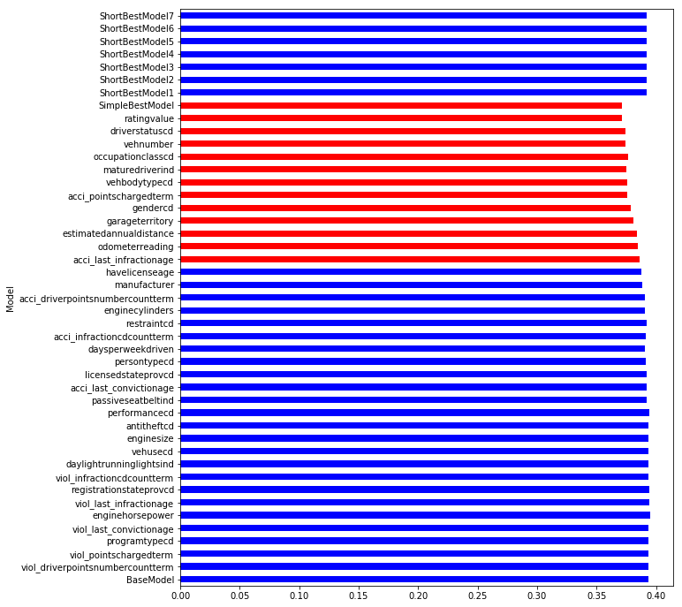
Model | S0.45 | S0.4 | S0.35 | S0.3 | S0.25 | S0.2 | S0.15 | S0.1 | Mean | t-pvalue | t-statistic | Group
BaseModel | 0.385086 | 0.390626 | 0.393903 | 0.38966 | 0.391959 | 0.406577 | 0.392481 | 0.400472 | 0.393845 | 1 | 0 | 1 | Overall, the behavor is the same as in simple features models with less metric and we need more features to achieve the same level as all features base model (25 vs 18 without freq encoding).
viol_driverpointsnumbercountterm | 0.3846 | 0.389972 | 0.393635 | 0.388741 | 0.392147 | 0.405419 | 0.393724 | 0.399157 | 0.393425 | 0.900106 | 0.127825 | 1 | Frequency encoding results in best Simple Best Model worse then in all features base model. They are statistically the same in Short Best Models and All Features Base Model but all of them worse then All Features base Model withput frequency encoding
viol_pointschargedterm | 0.384774 | 0.391328 | 0.394744 | 0.388802 | 0.391967 | 0.405378 | 0.39244 | 0.398454 | 0.393486 | 0.913406 | 0.110725 | 1
programtypecd | 0.384563 | 0.389341 | 0.394899 | 0.389547 | 0.39133 | 0.406032 | 0.394963 | 0.399959 | 0.393829 | 0.99631 | 0.004708 | 1
viol_last_convictionage | 0.383913 | 0.389566 | 0.39424 | 0.390016 | 0.392014 | 0.405811 | 0.395585 | 0.400566 | 0.393964 | 0.972531 | -0.035055 | 1
enginehorsepower | 0.385532 | 0.390922 | 0.394075 | 0.388769 | 0.392542 | 0.406391 | 0.397377 | 0.402496 | 0.394763 | 0.792943 | -0.267555 | 1
viol_last_infractionage | 0.38495 | 0.39133 | 0.393741 | 0.390278 | 0.391926 | 0.405601 | 0.395639 | 0.401285 | 0.394344 | 0.882341 | -0.150728 | 1
registrationstateprovcd | 0.384531 | 0.390423 | 0.393926 | 0.389866 | 0.391773 | 0.406255 | 0.394858 | 0.40108 | 0.394089 | 0.943609 | -0.072015 | 1
viol_infractioncdcountterm | 0.384075 | 0.390095 | 0.393297 | 0.390829 | 0.391551 | 0.405401 | 0.394809 | 0.401967 | 0.394003 | 0.963415 | -0.046696 | 1
daylightrunninglightsind | 0.38431 | 0.389845 | 0.392608 | 0.38999 | 0.391311 | 0.406118 | 0.394716 | 0.401504 | 0.3938 | 0.98976 | 0.013066 | 1
vehusecd | 0.38532 | 0.389757 | 0.392445 | 0.389459 | 0.391745 | 0.40655 | 0.395523 | 0.400723 | 0.39394 | 0.978004 | -0.028068 | 1
enginesize | 0.384131 | 0.391189 | 0.392499 | 0.38993 | 0.391146 | 0.404516 | 0.393992 | 0.400423 | 0.393478 | 0.912199 | 0.112275 | 1
antitheftcd | 0.385797 | 0.390108 | 0.393542 | 0.390338 | 0.391243 | 0.404793 | 0.395541 | 0.400218 | 0.393947 | 0.975026 | -0.03187 | 1
performancecd | 0.385341 | 0.39053 | 0.393607 | 0.388577 | 0.390411 | 0.405333 | 0.394656 | 0.403717 | 0.394022 | 0.960019 | -0.051035 | 1
passiveseatbeltind | 0.384214 | 0.389147 | 0.390823 | 0.387938 | 0.387879 | 0.40428 | 0.391369 | 0.399758 | 0.391926 | 0.576596 | 0.571691 | 1
acci_last_convictionage | 0.383572 | 0.390148 | 0.391799 | 0.388021 | 0.388601 | 0.404244 | 0.392699 | 0.400449 | 0.392442 | 0.683911 | 0.415728 | 1
licensedstateprovcd | 0.384118 | 0.388882 | 0.391145 | 0.388529 | 0.388168 | 0.403061 | 0.390569 | 0.400927 | 0.391925 | 0.572826 | 0.577419 | 1
persontypecd | 0.383043 | 0.388839 | 0.391551 | 0.387359 | 0.387537 | 0.403903 | 0.390895 | 0.399286 | 0.391552 | 0.509317 | 0.677198 | 1
daysperweekdriven | 0.383877 | 0.388992 | 0.390526 | 0.386686 | 0.387131 | 0.402922 | 0.388763 | 0.399095 | 0.390999 | 0.40574 | 0.857255 | 1
acci_infractioncdcountterm | 0.384293 | 0.387231 | 0.39038 | 0.388328 | 0.387796 | 0.402305 | 0.390462 | 0.398334 | 0.391141 | 0.412857 | 0.844004 | 1
restraintcd | 0.384034 | 0.3888 | 0.390906 | 0.388365 | 0.387796 | 0.403783 | 0.391845 | 0.399649 | 0.391897 | 0.567315 | 0.58583 | 1
enginecylinders | 0.383541 | 0.38826 | 0.389652 | 0.387015 | 0.387289 | 0.402447 | 0.389938 | 0.399462 | 0.39095 | 0.3969 | 0.87393 | 1
acci_driverpointsnumbercountterm | 0.383221 | 0.387747 | 0.389737 | 0.386829 | 0.387725 | 0.402721 | 0.389422 | 0.39809 | 0.390686 | 0.353314 | 0.96006 | 1
manufacturer | 0.381454 | 0.385705 | 0.387319 | 0.384283 | 0.386948 | 0.399666 | 0.385747 | 0.398405 | 0.388691 | 0.145221 | 1.542616 | 1
havelicenseage | 0.380833 | 0.385744 | 0.38642 | 0.383802 | 0.386317 | 0.399 | 0.385354 | 0.395923 | 0.387924 | 0.088602 | 1.830115 | 1
acci_last_infractionage | 0.37867 | 0.383487 | 0.383319 | 0.38166 | 0.384106 | 0.396166 | 0.384961 | 0.396383 | 0.386094 | 0.035041 | 2.333598 | 3
odometerreading | 0.381039 | 0.386936 | 0.382936 | 0.382624 | 0.380909 | 0.388652 | 0.381873 | 0.393431 | 0.3848 | 0.006818 | 3.169825 | 3
estimatedannualdistance | 0.380589 | 0.385095 | 0.38062 | 0.38076 | 0.379853 | 0.386176 | 0.381289 | 0.398356 | 0.384092 | 0.009277 | 3.014698 | 3
garageterritory | 0.377215 | 0.380927 | 0.378495 | 0.380626 | 0.376862 | 0.38078 | 0.377919 | 0.394518 | 0.380918 | 0.001002 | 4.139518 | 3
gendercd | 0.374839 | 0.377997 | 0.377408 | 0.378445 | 0.373673 | 0.379743 | 0.376854 | 0.39374 | 0.379087 | 0.00045 | 4.554582 | 3
acci_pointschargedterm | 0.372722 | 0.375702 | 0.375249 | 0.375658 | 0.369491 | 0.375207 | 0.373475 | 0.389916 | 0.375928 | 0.000064 | 5.613509 | 3
vehbodytypecd | 0.371615 | 0.37416 | 0.374949 | 0.376301 | 0.37028 | 0.374973 | 0.375243 | 0.390696 | 0.376027 | 0.00008 | 5.488788 | 3
maturedriverind | 0.369695 | 0.37362 | 0.373908 | 0.375645 | 0.369426 | 0.374189 | 0.375779 | 0.390851 | 0.375389 | 0.000078 | 5.502193 | 3
occupationclasscd | 0.367805 | 0.374246 | 0.378671 | 0.376212 | 0.373941 | 0.375832 | 0.378892 | 0.387127 | 0.376591 | 0.000063 | 5.624022 | 3
vehnumber | 0.364763 | 0.372437 | 0.374657 | 0.374776 | 0.37406 | 0.375419 | 0.375942 | 0.383589 | 0.374455 | 0.000014 | 6.483061 | 3
driverstatuscd | 0.364407 | 0.372252 | 0.373419 | 0.374815 | 0.372373 | 0.375486 | 0.376275 | 0.385258 | 0.374286 | 0.000021 | 6.251331 | 3
ratingvalue | 0.364853 | 0.368889 | 0.370801 | 0.371656 | 0.370468 | 0.371446 | 0.372451 | 0.382003 | 0.371571 | 0.000002 | 7.609724 | 3
SimpleBestModel | 0.36215 | 0.36918 | 0.37261 | 0.373804 | 0.367512 | 0.373419 | 0.371906 | 0.379732 | 0.371289 | 0.000003 | 7.529602 | 3
ShortBestModel1 | 0.384028 | 0.390815 | 0.391732 | 0.390902 | 0.388429 | 0.394402 | 0.395311 | 0.402533 | 0.392269 | 0.613785 | 0.51618 | 1
ShortBestModel2 | 0.384028 | 0.390815 | 0.391732 | 0.390902 | 0.388429 | 0.394402 | 0.395311 | 0.402533 | 0.392269 | 0.613785 | 0.51618 | 1
ShortBestModel3 | 0.384028 | 0.390815 | 0.391732 | 0.390902 | 0.388429 | 0.394402 | 0.395311 | 0.402533 | 0.392269 | 0.613785 | 0.51618 | 1
ShortBestModel4 | 0.384028 | 0.390815 | 0.391732 | 0.390902 | 0.388429 | 0.394402 | 0.395311 | 0.402533 | 0.392269 | 0.613785 | 0.51618 | 1
ShortBestModel5 | 0.384028 | 0.390815 | 0.391732 | 0.390902 | 0.388429 | 0.394402 | 0.395311 | 0.402533 | 0.392269 | 0.613785 | 0.51618 | 1
ShortBestModel6 | 0.384028 | 0.390815 | 0.391732 | 0.390902 | 0.388429 | 0.394402 | 0.395311 | 0.402533 | 0.392269 | 0.613785 | 0.51618 | 1
ShortBestModel7 | 0.384028 | 0.390815 | 0.391732 | 0.390902 | 0.388429 | 0.394402 | 0.395311 | 0.402533 | 0.392269 | 0.613785 | 0.51618 | 1

Cumulative Effect Results
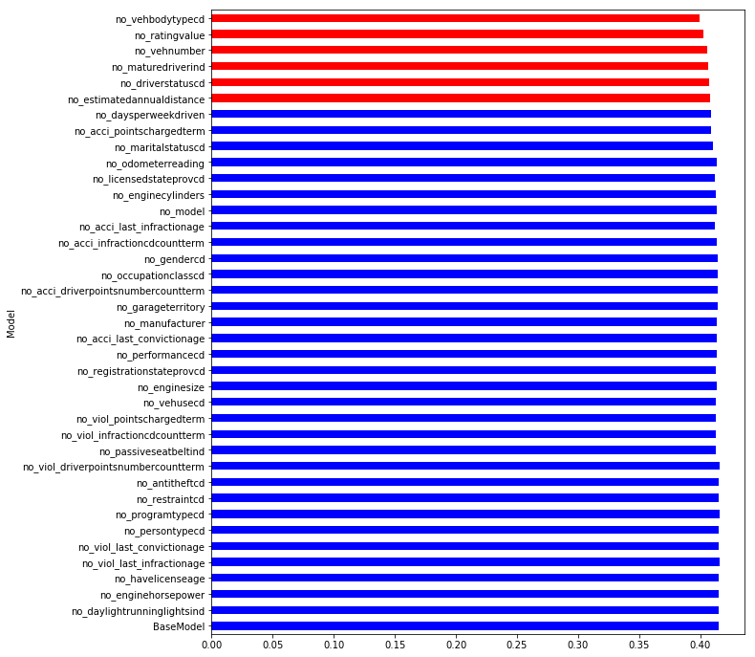
Model | S0.45 | S0.4 | S0.35 | S0.3 | S0.25 | S0.2 | S0.15 | S0.1 | Mean | t-pvalue | t-statistic | Group
BaseModel | 0.403727 | 0.412492 | 0.415355 | 0.409091 | 0.415305 | 0.425068 | 0.418854 | 0.418594 | 0.414811 | 1 | 0 | 1
no_daylightrunninglightsind | 0.40371 | 0.412313 | 0.41653 | 0.408766 | 0.415855 | 0.426012 | 0.418226 | 0.418674 | 0.415011 | 0.952929 | -0.060095 | 1
no_enginehorsepower | 0.404266 | 0.413147 | 0.415423 | 0.408623 | 0.416588 | 0.42669 | 0.418609 | 0.419855 | 0.4154 | 0.863204 | -0.175495 | 1
no_havelicenseage | 0.403388 | 0.412458 | 0.415717 | 0.409701 | 0.41688 | 0.425919 | 0.418962 | 0.418852 | 0.415234 | 0.900543 | -0.127261 | 1
no_viol_last_infractionage | 0.403717 | 0.41426 | 0.416965 | 0.409194 | 0.416912 | 0.425353 | 0.420296 | 0.419453 | 0.415769 | 0.777086 | -0.28864 | 1
no_viol_last_convictionage | 0.403343 | 0.412712 | 0.415487 | 0.409874 | 0.41691 | 0.424846 | 0.419204 | 0.417977 | 0.415044 | 0.943782 | -0.071793 | 1
no_persontypecd | 0.403913 | 0.41305 | 0.415653 | 0.409972 | 0.417603 | 0.424961 | 0.418835 | 0.419033 | 0.415377 | 0.86347 | -0.17515 | 1
no_programtypecd | 0.402944 | 0.413547 | 0.416638 | 0.410268 | 0.4168 | 0.425228 | 0.419182 | 0.420437 | 0.41563 | 0.809294 | -0.245944 | 1
no_restraintcd | 0.402438 | 0.412573 | 0.415902 | 0.410608 | 0.416763 | 0.424764 | 0.419644 | 0.419462 | 0.415269 | 0.892431 | -0.137709 | 1
no_antitheftcd | 0.402904 | 0.413103 | 0.415787 | 0.410435 | 0.417238 | 0.424951 | 0.419654 | 0.418968 | 0.41538 | 0.865463 | -0.172565 | 1
no_viol_driverpointsnumbercountterm | 0.403321 | 0.412864 | 0.415845 | 0.410461 | 0.417373 | 0.425046 | 0.420709 | 0.419723 | 0.415668 | 0.800099 | -0.258081 | 1
no_passiveseatbeltind | 0.401925 | 0.410545 | 0.412434 | 0.40812 | 0.413675 | 0.42393 | 0.416104 | 0.414582 | 0.412664 | 0.516104 | 0.666212 | 1
no_viol_infractioncdcountterm | 0.402016 | 0.409895 | 0.41197 | 0.40813 | 0.413466 | 0.423105 | 0.41653 | 0.414711 | 0.412478 | 0.47592 | 0.732549 | 1
no_viol_pointschargedterm | 0.402984 | 0.411386 | 0.414504 | 0.40815 | 0.41249 | 0.422477 | 0.416243 | 0.412085 | 0.41254 | 0.47083 | 0.741188 | 1
no_vehusecd | 0.401944 | 0.411528 | 0.412992 | 0.407792 | 0.414674 | 0.422262 | 0.417593 | 0.413875 | 0.412832 | 0.541293 | 0.626148 | 1
no_enginesize | 0.401976 | 0.410756 | 0.412632 | 0.409865 | 0.414301 | 0.423519 | 0.417382 | 0.414923 | 0.413169 | 0.614547 | 0.51506 | 1
no_registrationstateprovcd | 0.401616 | 0.41016 | 0.413213 | 0.409184 | 0.414361 | 0.423028 | 0.415832 | 0.414907 | 0.412788 | 0.533809 | 0.63794 | 1
no_performancecd | 0.401918 | 0.410919 | 0.413454 | 0.409501 | 0.415157 | 0.423747 | 0.416204 | 0.417498 | 0.41355 | 0.702298 | 0.390149 | 1
no_acci_last_convictionage | 0.401209 | 0.410345 | 0.413365 | 0.409181 | 0.415333 | 0.424256 | 0.416747 | 0.418084 | 0.413565 | 0.715362 | 0.372139 | 1
no_manufacturer | 0.401433 | 0.411653 | 0.413455 | 0.409994 | 0.416361 | 0.424326 | 0.416078 | 0.417025 | 0.413791 | 0.760339 | 0.311059 | 1
no_garageterritory | 0.400958 | 0.411857 | 0.41457 | 0.411194 | 0.418432 | 0.425105 | 0.417686 | 0.416332 | 0.414517 | 0.931914 | 0.086987 | 1
no_acci_driverpointsnumbercountterm | 0.400391 | 0.411071 | 0.414769 | 0.411052 | 0.418482 | 0.424876 | 0.418257 | 0.417409 | 0.414538 | 0.93816 | 0.078988 | 1
no_occupationclasscd | 0.40264 | 0.412106 | 0.414063 | 0.410493 | 0.417643 | 0.425263 | 0.416589 | 0.415157 | 0.414244 | 0.863911 | 0.174578 | 1
no_gendercd | 0.402655 | 0.410842 | 0.413692 | 0.411543 | 0.41643 | 0.423744 | 0.415794 | 0.416595 | 0.413912 | 0.778942 | 0.286166 | 1
no_acci_infractioncdcountterm | 0.401702 | 0.410842 | 0.413069 | 0.411538 | 0.415871 | 0.424023 | 0.416434 | 0.415699 | 0.413647 | 0.722433 | 0.362445 | 1
no_acci_last_infractionage | 0.401028 | 0.408478 | 0.41148 | 0.409661 | 0.413908 | 0.421976 | 0.414552 | 0.415508 | 0.412074 | 0.40044 | 0.867224 | 1
no_model | 0.40449 | 0.411009 | 0.413188 | 0.410154 | 0.412146 | 0.422633 | 0.415611 | 0.417253 | 0.41331 | 0.623223 | 0.502361 | 1
no_enginecylinders | 0.403965 | 0.409092 | 0.411471 | 0.41014 | 0.41323 | 0.421641 | 0.413885 | 0.416602 | 0.412503 | 0.44887 | 0.779136 | 1
no_licensedstateprovcd | 0.403469 | 0.409237 | 0.411347 | 0.410385 | 0.412448 | 0.420949 | 0.413785 | 0.416437 | 0.412257 | 0.399386 | 0.869217 | 1
no_odometerreading | 0.409189 | 0.412619 | 0.412945 | 0.412939 | 0.412896 | 0.417006 | 0.413414 | 0.417459 | 0.413558 | 0.621989 | 0.504161 | 1
no_maritalstatuscd | 0.404011 | 0.409105 | 0.408807 | 0.410081 | 0.407853 | 0.415224 | 0.412316 | 0.418078 | 0.410684 | 0.160509 | 1.481951 | 1
no_acci_pointschargedterm | 0.40265 | 0.40725 | 0.409079 | 0.408562 | 0.406193 | 0.414401 | 0.408513 | 0.415734 | 0.409048 | 0.054784 | 2.095535 | 1
no_daysperweekdriven | 0.402191 | 0.407222 | 0.407201 | 0.408652 | 0.407711 | 0.413925 | 0.408487 | 0.416053 | 0.40893 | 0.051217 | 2.131857 | 1
no_estimatedannualdistance | 0.400322 | 0.403595 | 0.406401 | 0.40492 | 0.407237 | 0.411195 | 0.409797 | 0.419259 | 0.407841 | 0.039588 | 2.269264 | 3
no_driverstatuscd | 0.398402 | 0.403429 | 0.40417 | 0.404294 | 0.406806 | 0.411467 | 0.410712 | 0.418656 | 0.407242 | 0.032349 | 2.375518 | 3
no_maturedriverind | 0.396287 | 0.401571 | 0.402656 | 0.402189 | 0.406736 | 0.409058 | 0.411224 | 0.419682 | 0.406175 | 0.024821 | 2.513292 | 3
no_vehnumber | 0.394432 | 0.400013 | 0.400099 | 0.401626 | 0.405645 | 0.410825 | 0.410136 | 0.420212 | 0.405373 | 0.022616 | 2.561295 | 3
no_ratingvalue | 0.392212 | 0.396161 | 0.396921 | 0.398754 | 0.40204 | 0.408654 | 0.406277 | 0.417723 | 0.402343 | 0.004697 | 3.357142 | 3
no_vehbodytypecd | 0.390069 | 0.39358 | 0.395124 | 0.395512 | 0.398937 | 0.40609 | 0.406817 | 0.411912 | 0.399755 | 0.000829 | 4.236632 | 3

Cumulative Effect Revers Result
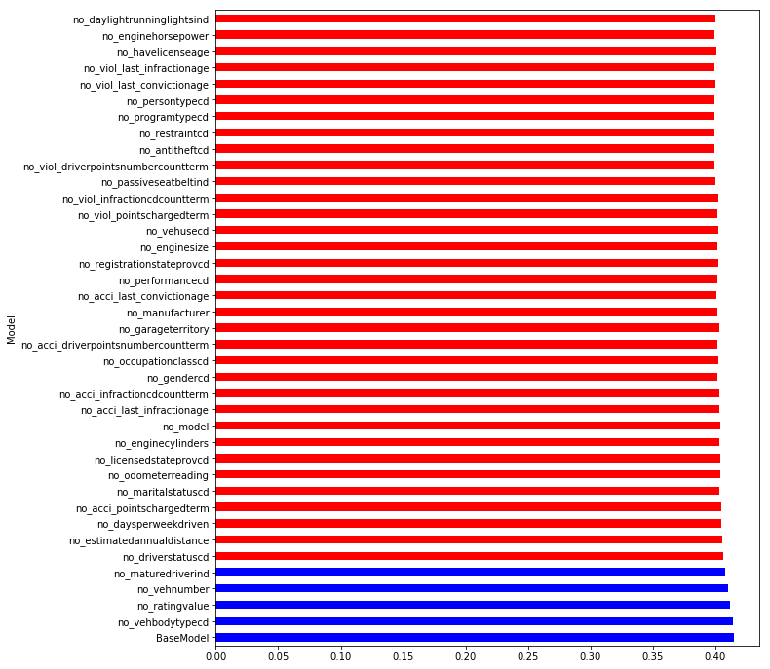
Model | S0.45 | S0.4 | S0.35 | S0.3 | S0.25 | S0.2 | S0.15 | S0.1 | Mean | t-pvalue | t-statistic | Group
BaseModel | 0.403574 | 0.412108 | 0.415644 | 0.409086 | 0.41653 | 0.424809 | 0.418198 | 0.419114 | 0.414883 | 1 | 0 | 1
no_vehbodytypecd | 0.402176 | 0.412089 | 0.414498 | 0.40838 | 0.414345 | 0.425832 | 0.418876 | 0.416788 | 0.414123 | 0.826356 | 0.223524 | 1
no_ratingvalue | 0.401158 | 0.410005 | 0.413611 | 0.405849 | 0.412483 | 0.42222 | 0.415956 | 0.414302 | 0.411948 | 0.380256 | 0.906017 | 1
no_vehnumber | 0.39962 | 0.407638 | 0.411321 | 0.403705 | 0.410619 | 0.420264 | 0.413795 | 0.413072 | 0.410004 | 0.153166 | 1.51045 | 1
no_maturedriverind | 0.397131 | 0.406265 | 0.409355 | 0.401636 | 0.408359 | 0.418304 | 0.412526 | 0.41242 | 0.40825 | 0.063984 | 2.011055 | 1
no_driverstatuscd | 0.395271 | 0.403716 | 0.404561 | 0.399277 | 0.407058 | 0.417282 | 0.412285 | 0.41074 | 0.406274 | 0.024841 | 2.512866 | 3
no_estimatedannualdistance | 0.394211 | 0.402314 | 0.402542 | 0.396829 | 0.405899 | 0.416261 | 0.412562 | 0.413265 | 0.405485 | 0.022149 | 2.572039 | 3
no_daysperweekdriven | 0.392526 | 0.401961 | 0.403238 | 0.397023 | 0.405092 | 0.416131 | 0.413449 | 0.411864 | 0.40516 | 0.02035 | 2.615602 | 3
no_acci_pointschargedterm | 0.392621 | 0.401862 | 0.402244 | 0.397243 | 0.405526 | 0.416295 | 0.411932 | 0.412514 | 0.405029 | 0.01833 | 2.669155 | 3
no_maritalstatuscd | 0.388302 | 0.39828 | 0.399019 | 0.395601 | 0.404652 | 0.414591 | 0.41324 | 0.414587 | 0.403534 | 0.01695 | 2.70914 | 3
no_odometerreading | 0.391128 | 0.399908 | 0.398353 | 0.397182 | 0.404135 | 0.411198 | 0.412715 | 0.414965 | 0.403698 | 0.01066 | 2.944545 | 3
no_licensedstateprovcd | 0.390746 | 0.399417 | 0.398835 | 0.397304 | 0.403748 | 0.413474 | 0.412505 | 0.414336 | 0.403795 | 0.012395 | 2.868271 | 3
no_enginecylinders | 0.391021 | 0.399136 | 0.398661 | 0.397759 | 0.403015 | 0.41114 | 0.412581 | 0.415082 | 0.403549 | 0.009804 | 2.986846 | 3
no_model | 0.394928 | 0.400826 | 0.400664 | 0.396401 | 0.401952 | 0.410448 | 0.412948 | 0.412812 | 0.403872 | 0.006469 | 3.196253 | 3
no_acci_last_infractionage | 0.395121 | 0.399306 | 0.399633 | 0.396343 | 0.400407 | 0.410463 | 0.413145 | 0.414372 | 0.403599 | 0.00723 | 3.140255 | 3
no_acci_infractioncdcountterm | 0.394136 | 0.398918 | 0.398671 | 0.395648 | 0.399615 | 0.410618 | 0.413003 | 0.415614 | 0.403278 | 0.00818 | 3.078122 | 3
no_gendercd | 0.393373 | 0.396499 | 0.399333 | 0.395842 | 0.396758 | 0.409119 | 0.411931 | 0.41313 | 0.401998 | 0.003397 | 3.520093 | 3
no_occupationclasscd | 0.398162 | 0.398839 | 0.398579 | 0.395069 | 0.398096 | 0.409566 | 0.410728 | 0.412187 | 0.402653 | 0.002697 | 3.636343 | 3
no_acci_driverpointsnumbercountterm | 0.397277 | 0.398235 | 0.398052 | 0.394481 | 0.396586 | 0.40956 | 0.409872 | 0.410545 | 0.401826 | 0.001622 | 3.893619 | 3
no_garageterritory | 0.397236 | 0.398202 | 0.400365 | 0.396062 | 0.398481 | 0.410688 | 0.410815 | 0.411189 | 0.40288 | 0.002837 | 3.610853 | 3
no_manufacturer | 0.397369 | 0.398311 | 0.398038 | 0.395524 | 0.398743 | 0.408968 | 0.41017 | 0.409448 | 0.402071 | 0.001312 | 4.001729 | 3
no_acci_last_convictionage | 0.395276 | 0.39652 | 0.396933 | 0.394375 | 0.398449 | 0.407123 | 0.407571 | 0.410514 | 0.400845 | 0.000703 | 4.322236 | 3
no_performancecd | 0.395094 | 0.398201 | 0.397382 | 0.395255 | 0.399279 | 0.407809 | 0.407858 | 0.414225 | 0.401888 | 0.001937 | 3.803558 | 3
no_registrationstateprovcd | 0.395381 | 0.398416 | 0.398613 | 0.396629 | 0.400698 | 0.40772 | 0.407986 | 0.414311 | 0.402469 | 0.002197 | 3.739885 | 3
no_enginesize | 0.394215 | 0.397912 | 0.397771 | 0.395744 | 0.400077 | 0.407241 | 0.406438 | 0.412686 | 0.401511 | 0.001094 | 4.094184 | 3
no_vehusecd | 0.394343 | 0.397091 | 0.398603 | 0.395818 | 0.40151 | 0.407925 | 0.407293 | 0.414381 | 0.402121 | 0.002158 | 3.748977 | 3
no_viol_pointschargedterm | 0.393803 | 0.396604 | 0.398097 | 0.395766 | 0.40212 | 0.408837 | 0.406575 | 0.413597 | 0.401925 | 0.001965 | 3.796282 | 3
no_viol_infractioncdcountterm | 0.394323 | 0.396565 | 0.397932 | 0.3961 | 0.402732 | 0.4095 | 0.407628 | 0.414089 | 0.402359 | 0.002832 | 3.611724 | 3
no_passiveseatbeltind | 0.392627 | 0.39541 | 0.395875 | 0.393739 | 0.399855 | 0.407129 | 0.405177 | 0.410679 | 0.400061 | 0.000557 | 4.442799 | 3
no_viol_driverpointsnumbercountterm | 0.392638 | 0.394913 | 0.39572 | 0.394014 | 0.398514 | 0.406565 | 0.404334 | 0.410625 | 0.399666 | 0.000405 | 4.609794 | 3
no_antitheftcd | 0.392105 | 0.395048 | 0.395911 | 0.392933 | 0.398865 | 0.406312 | 0.404454 | 0.410248 | 0.399485 | 0.000384 | 4.637827 | 3
no_restraintcd | 0.39243 | 0.393417 | 0.395537 | 0.392811 | 0.398063 | 0.405867 | 0.40439 | 0.409947 | 0.399058 | 0.00031 | 4.750496 | 3
no_programtypecd | 0.392916 | 0.394185 | 0.394827 | 0.393404 | 0.398811 | 0.406278 | 0.404852 | 0.410596 | 0.399484 | 0.000416 | 4.595896 | 3
no_persontypecd | 0.392832 | 0.39385 | 0.396252 | 0.392975 | 0.398548 | 0.406004 | 0.405342 | 0.411875 | 0.39971 | 0.000581 | 4.4212 | 3
no_viol_last_convictionage | 0.392109 | 0.39431 | 0.396383 | 0.393895 | 0.398628 | 0.40633 | 0.406689 | 0.413359 | 0.400213 | 0.001039 | 4.120757 | 3
no_viol_last_infractionage | 0.390847 | 0.392947 | 0.395327 | 0.393422 | 0.398471 | 0.405355 | 0.405848 | 0.410266 | 0.39906 | 0.000411 | 4.60153 | 3
no_havelicenseage | 0.39141 | 0.394745 | 0.396334 | 0.396789 | 0.400196 | 0.405938 | 0.407588 | 0.412787 | 0.400723 | 0.001144 | 4.071586 | 3
no_enginehorsepower | 0.389852 | 0.393528 | 0.394272 | 0.395103 | 0.398095 | 0.405988 | 0.406209 | 0.411497 | 0.399318 | 0.000632 | 4.377251 | 3
no_daylightrunninglightsind | 0.390069 | 0.39358 | 0.395124 | 0.395512 | 0.398937 | 0.40609 | 0.406817 | 0.411912 | 0.399755 | 0.000809 | 4.249145 | 3

UpsideDown Results
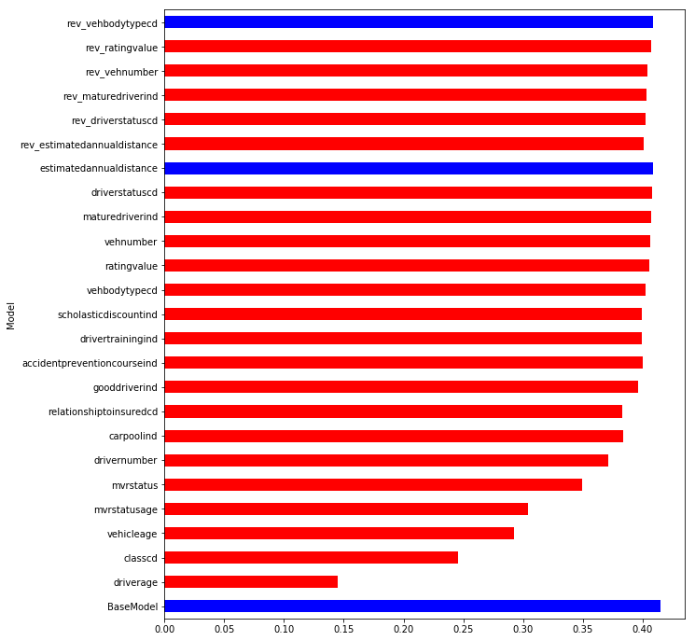
Model | S0.45 | S0.4 | S0.35 | S0.3 | S0.25 | S0.2 | S0.15 | S0.1 | Mean | t-pvalue | t-statistic | Group
BaseModel | 0.403727 | 0.412492 | 0.415355 | 0.409091 | 0.415305 | 0.425068 | 0.418854 | 0.418594 | 0.414811 | ` | 0 | 1
driverage | 0.145008 | 0.141417 | 0.135162 | 0.13909 | 0.136367 | 0.145457 | 0.145914 | 0.168846 | 0.144658 | 0.0000000 | 61.368972 | 3
classcd | 0.230185 | 0.232571 | 0.227804 | 0.242683 | 0.252085 | 0.252714 | 0.253979 | 0.274358 | 0.245797 | 0.0000000 | 28.144316 | 3
vehicleage | 0.288409 | 0.288571 | 0.278714 | 0.281951 | 0.300837 | 0.298857 | 0.294746 | 0.309031 | 0.29264 | 0.0000000 | 28.640625 | 3
mvrstatusage | 0.299242 | 0.300141 | 0.296388 | 0.297002 | 0.313455 | 0.310297 | 0.30444 | 0.309903 | 0.303858 | 0.0000000 | 33.736147 | 3
mvrstatus | 0.34146 | 0.34346 | 0.346816 | 0.34303 | 0.35175 | 0.361216 | 0.356531 | 0.350171 | 0.349304 | 0.0000000 | 19.385305 | 3
drivernumber | 0.36014 | 0.364737 | 0.36663 | 0.363539 | 0.370042 | 0.377102 | 0.384449 | 0.382475 | 0.371139 | 0.0000000 | 11.017685 | 3
carpoolind | 0.373274 | 0.377001 | 0.38059 | 0.379666 | 0.385842 | 0.390648 | 0.389854 | 0.393761 | 0.383829 | 0.0000004 | 8.965666 | 3
relationshiptoinsuredcd | 0.37324 | 0.375714 | 0.379808 | 0.380446 | 0.385554 | 0.38949 | 0.390053 | 0.391717 | 0.383253 | 0.0000002 | 9.362451 | 3
gooddriverind | 0.387258 | 0.388905 | 0.393746 | 0.392148 | 0.39769 | 0.402759 | 0.401296 | 0.406133 | 0.396242 | 0.0000693 | 5.567895 | 3
accidentpreventioncourseind | 0.390446 | 0.393178 | 0.395922 | 0.395651 | 0.39928 | 0.406617 | 0.406488 | 0.412847 | 0.400054 | 0.0010623 | 4.109457 | 3
drivertrainingind | 0.390103 | 0.393207 | 0.39539 | 0.395058 | 0.399185 | 0.405615 | 0.406695 | 0.412883 | 0.399767 | 0.0009485 | 4.1676 | 3
scholasticdiscountind | 0.390069 | 0.39358 | 0.395124 | 0.395512 | 0.398937 | 0.40609 | 0.406817 | 0.411912 | 0.399755 | 0.0008294 | 4.236632 | 3
vehbodytypecd | 0.392212 | 0.396161 | 0.396921 | 0.398754 | 0.40204 | 0.408654 | 0.406277 | 0.417723 | 0.402343 | 0.0046968 | 3.357142 | 3
ratingvalue | 0.394432 | 0.400013 | 0.400099 | 0.401626 | 0.405645 | 0.410825 | 0.410136 | 0.420212 | 0.405373 | 0.0226163 | 2.561295 | 3
vehnumber | 0.396287 | 0.401571 | 0.402656 | 0.402189 | 0.406736 | 0.409058 | 0.411224 | 0.419682 | 0.406175 | 0.0248207 | 2.513292 | 3
maturedriverind | 0.398402 | 0.403429 | 0.40417 | 0.404294 | 0.406806 | 0.411467 | 0.410712 | 0.418656 | 0.407242 | 0.0323491 | 2.375518 | 3
driverstatuscd | 0.400322 | 0.403595 | 0.406401 | 0.40492 | 0.407237 | 0.411195 | 0.409797 | 0.419259 | 0.407841 | 0.0395878 | 2.269264 | 3
estimatedannualdistance | 0.402191 | 0.407222 | 0.407201 | 0.408652 | 0.407711 | 0.413925 | 0.408487 | 0.416053 | 0.40893 | 0.0512169 | 2.131857 | 1
rev_estimatedannualdistance | 0.392638 | 0.395976 | 0.396828 | 0.398378 | 0.400645 | 0.406853 | 0.405547 | 0.410338 | 0.4009 | 0.0006015 | 4.402895 | 3
rev_driverstatuscd | 0.394971 | 0.396988 | 0.399186 | 0.400789 | 0.403039 | 0.40721 | 0.405064 | 0.410997 | 0.40228 | 0.0008958 | 4.196964 | 3
rev_maturedriverind | 0.396759 | 0.397509 | 0.400382 | 0.401908 | 0.402633 | 0.408497 | 0.405472 | 0.410639 | 0.402975 | 0.0011065 | 4.08859 | 3
rev_vehnumber | 0.398748 | 0.401059 | 0.403241 | 0.403913 | 0.404376 | 0.406759 | 0.406852 | 0.408782 | 0.404216 | 0.0010662 | 4.107595 | 3
rev_ratingvalue | 0.399654 | 0.404484 | 0.406328 | 0.40635 | 0.406461 | 0.410994 | 0.40964 | 0.41234 | 0.407031 | 0.0122474 | 2.874336 | 3
rev_vehbodytypecd | 0.402835 | 0.406979 | 0.407098 | 0.408766 | 0.406658 | 0.413443 | 0.409316 | 0.416428 | 0.40894 | 0.0509674 | 2.134484 | 1

Simple Calculation Results
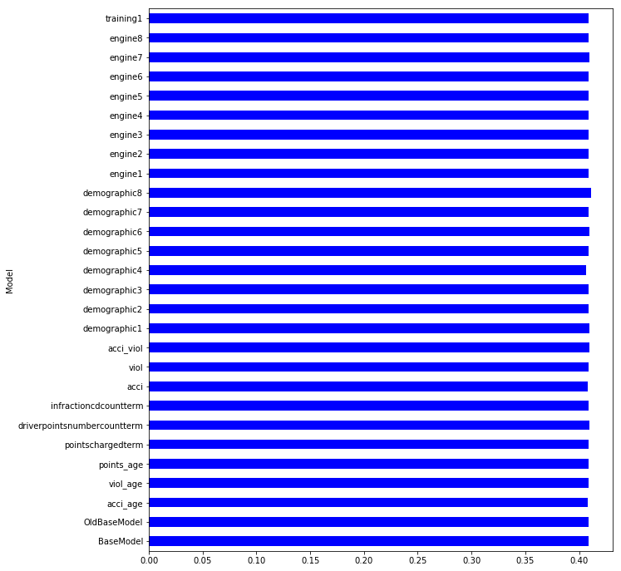
Model | S0.45 | S0.4 | S0.35 | S0.3 | S0.25 | S0.2 | S0.15 | S0.1 | Mean | t-pvalue | t-statistic | Group
BaseModel | 0.402191 | 0.407222 | 0.407201 | 0.408652 | 0.407711 | 0.413925 | 0.408487 | 0.416053 | 0.40893 | 1 | 0 | 1
OldBaseModel | 0.396335 | 0.403505 | 0.402811 | 0.40442 | 0.410919 | 0.416485 | 0.414289 | 0.420361 | 0.408641 | 0.930417 | 0.088904 | 1
acci_age | 0.396362 | 0.403013 | 0.402244 | 0.403514 | 0.410157 | 0.415387 | 0.413361 | 0.421612 | 0.408206 | 0.83024 | 0.218438 | 1
viol_age | 0.397907 | 0.404125 | 0.402372 | 0.403119 | 0.411236 | 0.416336 | 0.41325 | 0.42312 | 0.408933 | 0.999344 | -0.000837 | 1
points_age | 0.397486 | 0.404269 | 0.401419 | 0.403626 | 0.411435 | 0.41602 | 0.414692 | 0.423553 | 0.409062 | 0.970027 | -0.038252 | 1
pointschargedterm | 0.39657 | 0.403976 | 0.402986 | 0.40459 | 0.410664 | 0.415392 | 0.414477 | 0.421874 | 0.408816 | 0.972753 | 0.034771 | 1
driverpointsnumbercountterm | 0.397464 | 0.403948 | 0.402576 | 0.404472 | 0.411262 | 0.416801 | 0.415451 | 0.423842 | 0.409477 | 0.87712 | -0.157474 | 1
infractioncdcountterm | 0.397103 | 0.403485 | 0.402589 | 0.40386 | 0.411023 | 0.416003 | 0.41483 | 0.423664 | 0.40907 | 0.968421 | -0.040302 | 1
acci | 0.396397 | 0.403599 | 0.401499 | 0.404051 | 0.410672 | 0.414298 | 0.41391 | 0.421637 | 0.408258 | 0.84124 | 0.204065 | 1
viol | 0.397374 | 0.403158 | 0.402106 | 0.403884 | 0.41114 | 0.414327 | 0.413632 | 0.424476 | 0.408762 | 0.961768 | 0.0488 | 1
acci_viol | 0.397756 | 0.403801 | 0.402513 | 0.404757 | 0.411307 | 0.41593 | 0.414932 | 0.423415 | 0.409301 | 0.913992 | -0.109972 | 1
demographic1 | 0.399696 | 0.404068 | 0.406593 | 0.406863 | 0.410981 | 0.415574 | 0.414325 | 0.418369 | 0.409559 | 0.8199 | -0.231993 | 1
demographic2 | 0.398287 | 0.403568 | 0.404118 | 0.404798 | 0.410553 | 0.416019 | 0.414046 | 0.419539 | 0.408866 | 0.983196 | 0.021441 | 1
demographic3 | 0.397276 | 0.403198 | 0.40264 | 0.403758 | 0.411109 | 0.416074 | 0.414016 | 0.421321 | 0.408674 | 0.938608 | 0.078414 | 1
demographic4 | 0.398409 | 0.401946 | 0.403358 | 0.404181 | 0.409663 | 0.413901 | 0.41058 | 0.41297 | 0.406876 | 0.426622 | 0.818794 | 1
demographic5 | 0.397711 | 0.403577 | 0.403682 | 0.404903 | 0.411232 | 0.416337 | 0.413775 | 0.421402 | 0.409077 | 0.963726 | -0.046299 | 1
demographic6 | 0.397505 | 0.403537 | 0.403353 | 0.404944 | 0.412677 | 0.417032 | 0.415027 | 0.423937 | 0.409751 | 0.816068 | -0.237028 | 1
demographic7 | 0.39691 | 0.405118 | 0.404119 | 0.404217 | 0.411557 | 0.415663 | 0.414057 | 0.419625 | 0.408908 | 0.994423 | 0.007116 | 1
demographic8 | 0.399648 | 0.405573 | 0.406288 | 0.406155 | 0.412172 | 0.417222 | 0.416569 | 0.422643 | 0.410784 | 0.559785 | -0.597392 | 1
engine1 | 0.396704 | 0.403199 | 0.404138 | 0.404371 | 0.409323 | 0.414712 | 0.414876 | 0.420403 | 0.408466 | 0.884688 | 0.147697 | 1
engine2 | 0.396557 | 0.403494 | 0.403942 | 0.404685 | 0.409566 | 0.414862 | 0.415913 | 0.420404 | 0.408678 | 0.938086 | 0.079083 | 1
engine3 | 0.396721 | 0.403547 | 0.403992 | 0.404684 | 0.409451 | 0.414622 | 0.416001 | 0.421517 | 0.408817 | 0.972629 | 0.03493 | 1
engine4 | 0.396923 | 0.403083 | 0.404254 | 0.404215 | 0.409286 | 0.415711 | 0.414974 | 0.422904 | 0.408919 | 0.997323 | 0.003416 | 1
engine5 | 0.395716 | 0.403674 | 0.403208 | 0.404226 | 0.409514 | 0.416226 | 0.415501 | 0.422342 | 0.408801 | 0.970516 | 0.037627 | 1
engine6 | 0.395216 | 0.403818 | 0.403781 | 0.404125 | 0.408897 | 0.416735 | 0.415247 | 0.4238 | 0.408952 | 0.995142 | -0.006198 | 1
engine7 | 0.398402 | 0.405902 | 0.404967 | 0.405411 | 0.410788 | 0.415095 | 0.413925 | 0.423054 | 0.409693 | 0.809211 | -0.246055 | 1
engine8 | 0.395633 | 0.403847 | 0.403398 | 0.403963 | 0.40825 | 0.41751 | 0.416077 | 0.422108 | 0.408848 | 0.9816 | 0.023478 | 1
training1 | 0.396415 | 0.403365 | 0.402135 | 0.404515 | 0.409981 | 0.4159 | 0.414006 | 0.421834 | 0.408519 | 0.903621 | 0.123302 | 1

TestBestFeatures Results
Model | S0.45 | S0.4 | S0.35 | S0.3 | S0.25 | S0.2 | S0.15 | S0.1 | Mean | t-pvalue | t-statistic | Group
gendercd | 0.395501 | 0.401286 | 0.401541 | 0.402646 | 0.408251 | 0.413253 | 0.411196 | 0.421182 | 0.406857 | 0.050014 | 2.144641 | 1
enginecylinders | 0.396026 | 0.401279 | 0.402365 | 0.402576 | 0.407051 | 0.412808 | 0.412223 | 0.421657 | 0.406998 | 0.053292 | 2.110455 | 1
acci_last_convictionage | 0.395904 | 0.400842 | 0.401958 | 0.401806 | 0.407901 | 0.415143 | 0.412674 | 0.419824 | 0.407007 | 0.054488 | 2.098462 | 1
acci_infractioncdcountterm | 0.395753 | 0.401568 | 0.401714 | 0.403136 | 0.408229 | 0.413041 | 0.412796 | 0.421353 | 0.407199 | 0.059775 | 2.048211 | 1
passiveseatbeltind | 0.395272 | 0.40181 | 0.401914 | 0.402266 | 0.408421 | 0.412535 | 0.412612 | 0.422629 | 0.407182 | 0.065809 | 1.995639 | 1
acci_pointschargedterm | 0.395841 | 0.402479 | 0.401643 | 0.403251 | 0.408401 | 0.413021 | 0.412976 | 0.422122 | 0.407467 | 0.070164 | 1.960363 | 1
OldBaseModel | 0.396381 | 0.403638 | 0.403537 | 0.404408 | 0.411123 | 0.416266 | 0.414777 | 0.421696 | 0.408978 | 0.14232 | 1.554734 | 1
acci_last_infractionage | 0.396381 | 0.403638 | 0.403537 | 0.404408 | 0.411123 | 0.416266 | 0.414777 | 0.421696 | 0.408978 | 0.14232 | 1.554734 | 1
BaseModel | 0.403727 | 0.412492 | 0.415355 | 0.409091 | 0.415305 | 0.425068 | 0.418854 | 0.418594 | 0.414811 | 1 | 0 | 1

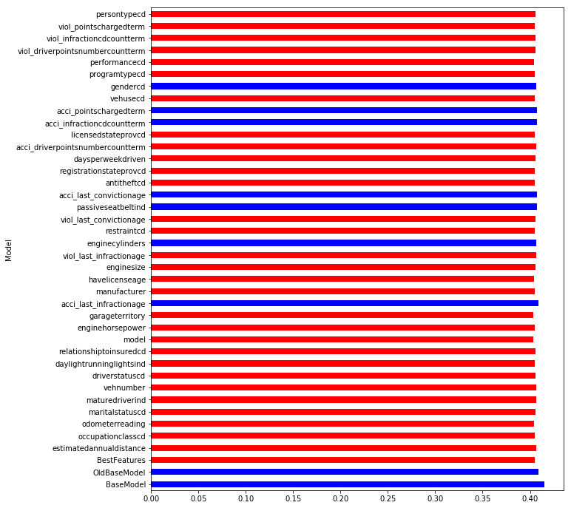
 |  |  |  |  |  |  |  |  |  |  |  |  | driverage
 |  |  |  |  |  |  |  |  |  |  |  |  | mvrstatus_encd
 |  |  |  |  |  |  |  |  |  |  |  |  | classcd_encd
 |  |  |  |  |  |  |  |  |  |  |  |  | vehicleage
 |  |  |  |  |  |  |  |  |  |  |  |  | drivernumber
 |  |  |  |  |  |  |  |  |  |  |  |  | mvrstatusage
 |  |  |  |  |  |  |  |  |  |  |  |  | gooddriverind_encd
 |  |  |  |  |  |  |  |  |  |  |  |  | carpoolind_encd
 |  |  |  |  |  |  |  |  |  |  |  |  | accidentpreventioncourseind_encd
 |  |  |  |  |  |  |  |  |  |  |  |  | vehbodytypecd_encd
 |  |  |  |  |  |  |  |  |  |  |  |  | drivertrainingind_encd
 |  |  |  |  |  |  |  |  |  |  |  |  | scholasticdiscountind_encd
 |  |  |  |  |  |  |  |  |  |  |  |  | ratingvalue
 |  |  |  |  |  |  |  |  |  |  |  |  | acci_last_infractionage
 |  |  |  |  |  |  |  |  |  |  |  |  | acci_last_convictionage
 |  |  |  |  |  |  |  |  |  |  |  |  | acci_infractioncdcountterm
 |  |  |  |  |  |  |  |  |  |  |  |  | acci_pointschargedterm
 |  |  |  |  |  |  |  |  |  |  |  |  | passiveseatbeltind_encd
 |  |  |  |  |  |  |  |  |  |  |  |  | enginecylinders_encd

ShortTestBstF Results
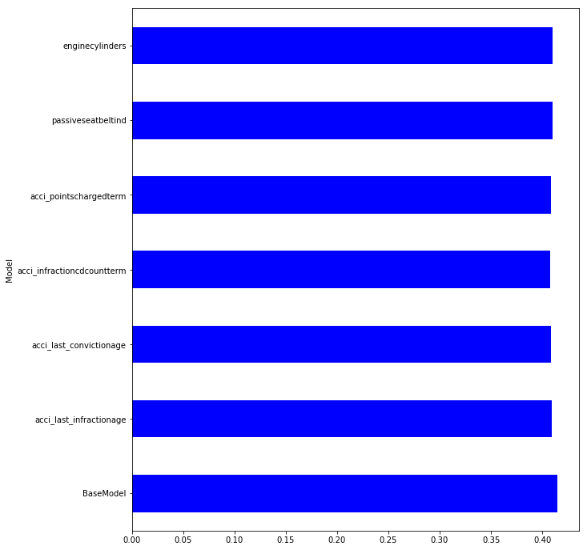
Model | S0.45 | S0.4 | S0.35 | S0.3 | S0.25 | S0.2 | S0.15 | S0.1 | Mean | t-pvalue | t-statistic | Group
BaseModel | 0.403727 | 0.412492 | 0.415355 | 0.409091 | 0.415305 | 0.425068 | 0.418854 | 0.418594 | 0.414811 | 1 | 0 | 1 | Adding all good features from TestBestFeatures do not improve the mean
acci_last_infractionage | 0.396381 | 0.403638 | 0.403537 | 0.404408 | 0.411123 | 0.416266 | 0.414777 | 0.421696 | 0.408978 | 0.14232 | 1.554734 | 1
acci_last_convictionage | 0.396418 | 0.403053 | 0.40235 | 0.403634 | 0.41062 | 0.416081 | 0.413472 | 0.422259 | 0.408486 | 0.11862 | 1.662551 | 1
acci_infractioncdcountterm | 0.396287 | 0.403346 | 0.401385 | 0.403177 | 0.410457 | 0.415339 | 0.413634 | 0.420668 | 0.408037 | 0.090116 | 1.820538 | 1
acci_pointschargedterm | 0.39661 | 0.403921 | 0.401981 | 0.403502 | 0.410493 | 0.414954 | 0.413507 | 0.420117 | 0.408135 | 0.086041 | 1.846658 | 1
passiveseatbeltind | 0.39721 | 0.406506 | 0.403111 | 0.404777 | 0.412358 | 0.416126 | 0.415567 | 0.423423 | 0.409885 | 0.214028 | 1.301711 | 1
enginecylinders | 0.397273 | 0.406893 | 0.404864 | 0.404819 | 0.411721 | 0.416244 | 0.41632 | 0.425177 | 0.410414 | 0.273401 | 1.140034 | 1

Simple Calc ShrtM Results
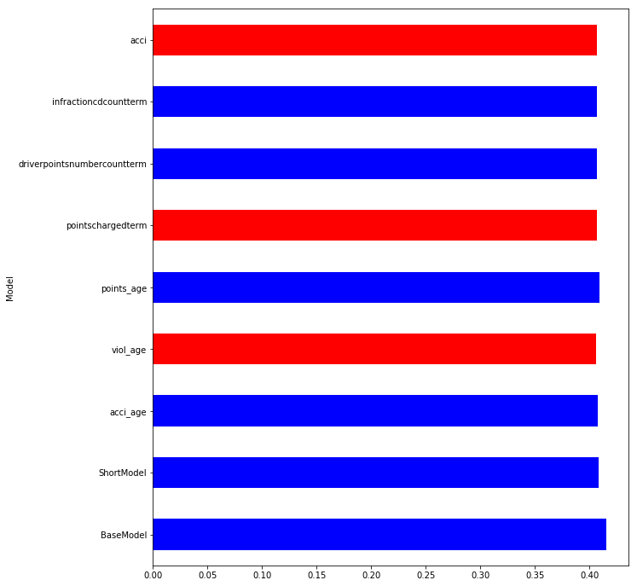
Model | S0.45 | S0.4 | S0.35 | S0.3 | S0.25 | S0.2 | S0.15 | S0.1 | Mean | t-pvalue | t-statistic | Group
BaseModel | 0.40371 | 0.412313 | 0.41653 | 0.408766 | 0.415855 | 0.426012 | 0.418226 | 0.418674 | 0.415011 | 1 | 0 | 1 | It does not improve statistically significant overall result
ShortModel | 0.396587 | 0.403622 | 0.402999 | 0.404462 | 0.410453 | 0.416056 | 0.41436 | 0.421285 | 0.408728 | 0.117068 | 1.670241 | 1
acci_age | 0.395953 | 0.401802 | 0.402544 | 0.403197 | 0.409289 | 0.414817 | 0.411498 | 0.420056 | 0.407395 | 0.057835 | 2.066159 | 1
viol_age | 0.395399 | 0.399821 | 0.400934 | 0.400601 | 0.406532 | 0.411834 | 0.408929 | 0.421871 | 0.40574 | 0.029673 | 2.420607 | 3
points_age | 0.397467 | 0.403325 | 0.401791 | 0.403466 | 0.410033 | 0.415893 | 0.415483 | 0.423966 | 0.408928 | 0.148071 | 1.530908 | 1
pointschargedterm | 0.396076 | 0.401355 | 0.402028 | 0.402833 | 0.406689 | 0.412 | 0.411316 | 0.422172 | 0.406809 | 0.046333 | 2.185605 | 3
driverpointsnumbercountterm | 0.395665 | 0.401346 | 0.401805 | 0.40191 | 0.407761 | 0.413264 | 0.412027 | 0.423126 | 0.407113 | 0.063508 | 2.015148 | 1
infractioncdcountterm | 0.395598 | 0.400993 | 0.401394 | 0.402016 | 0.4076 | 0.412927 | 0.412464 | 0.422965 | 0.406995 | 0.060641 | 2.040378 | 1
acci | 0.395823 | 0.402155 | 0.401442 | 0.40363 | 0.407656 | 0.41167 | 0.412211 | 0.420779 | 0.406921 | 0.04441 | 2.208229 | 3

External F To BstM Results
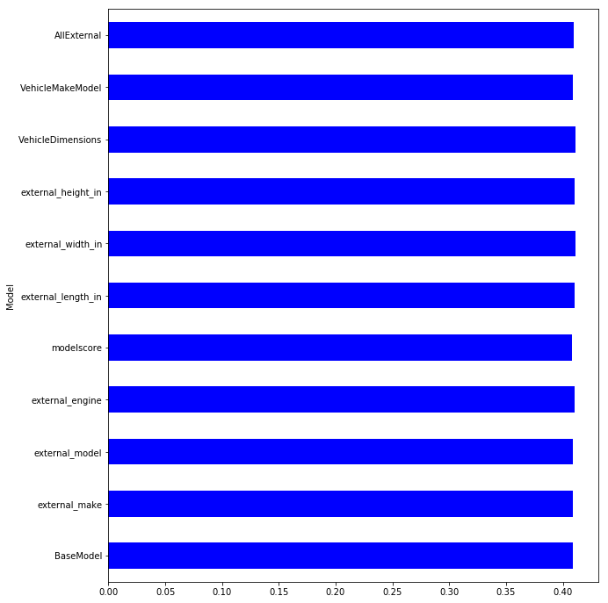
Model | S0.45 | S0.4 | S0.35 | S0.3 | S0.25 | S0.2 | S0.15 | S0.1 | Mean | t-pvalue | t-statistic | Group
BaseModel | 0.402832 | 0.407093 | 0.408072 | 0.408576 | 0.40791 | 0.414221 | 0.408778 | 0.416191 | 0.409209 | 1 | 0 | 1
external_make | 0.401658 | 0.406059 | 0.408695 | 0.40823 | 0.407501 | 0.413279 | 0.40913 | 0.414447 | 0.408625 | 0.779487 | 0.285439 | 1
external_model | 0.399737 | 0.406041 | 0.408105 | 0.408813 | 0.408901 | 0.414795 | 0.409812 | 0.417217 | 0.409178 | 0.989596 | 0.013275 | 1
external_engine | 0.403972 | 0.407921 | 0.41182 | 0.411296 | 0.409982 | 0.412025 | 0.411518 | 0.415432 | 0.410496 | 0.509432 | -0.677011 | 1
modelscore | 0.400307 | 0.404073 | 0.406781 | 0.407966 | 0.406124 | 0.41393 | 0.408319 | 0.414627 | 0.407766 | 0.529718 | 0.644424 | 1
external_length_in | 0.40692 | 0.410634 | 0.412316 | 0.411542 | 0.409614 | 0.413637 | 0.409164 | 0.41164 | 0.410684 | 0.387865 | -0.891233 | 1
external_width_in | 0.40466 | 0.408126 | 0.411724 | 0.411133 | 0.41054 | 0.416601 | 0.411881 | 0.414239 | 0.411113 | 0.347032 | -0.973071 | 1
external_height_in | 0.407086 | 0.409596 | 0.411821 | 0.412385 | 0.409 | 0.41223 | 0.40842 | 0.414627 | 0.410646 | 0.419237 | -0.832252 | 1
VehicleDimensions | 0.408135 | 0.409385 | 0.41247 | 0.412096 | 0.410245 | 0.412911 | 0.409432 | 0.413154 | 0.410978 | 0.294971 | -1.088 | 1
VehicleMakeModel | 0.399824 | 0.405204 | 0.408755 | 0.409998 | 0.408353 | 0.413994 | 0.410705 | 0.414641 | 0.408934 | 0.904246 | 0.122497 | 1
AllExternal | 0.401924 | 0.406145 | 0.410954 | 0.412429 | 0.408458 | 0.411668 | 0.412429 | 0.411682 | 0.409461 | 0.900872 | -0.126839 | 1

External F To ShrtBstM Results

Model | S0.45 | S0.4 | S0.35 | S0.3 | S0.25 | S0.2 | S0.15 | S0.1 | Mean | t-pvalue | t-statistic | Group
BaseModel | 0.396186 | 0.403184 | 0.402294 | 0.404349 | 0.411158 | 0.416451 | 0.414629 | 0.42225 | 0.408813 | 1 | 0 | 1
external_make | 0.396267 | 0.403355 | 0.403425 | 0.404575 | 0.409074 | 0.415037 | 0.41476 | 0.418792 | 0.408161 | 0.875603 | 0.159436 | 1
external_model | 0.394093 | 0.402947 | 0.402547 | 0.405116 | 0.409779 | 0.41429 | 0.41434 | 0.420103 | 0.407902 | 0.833931 | 0.21361 | 1
external_engine | 0.398016 | 0.404513 | 0.406596 | 0.40706 | 0.411811 | 0.414471 | 0.417235 | 0.420499 | 0.410025 | 0.768177 | -0.300547 | 1
modelscore | 0.394793 | 0.40228 | 0.402184 | 0.403951 | 0.408956 | 0.415124 | 0.414375 | 0.418509 | 0.407521 | 0.763309 | 0.307072 | 1
external_length_in | 0.400171 | 0.40758 | 0.40563 | 0.407388 | 0.410162 | 0.41535 | 0.413533 | 0.416311 | 0.409516 | 0.849359 | -0.193484 | 1
external_width_in | 0.399722 | 0.406607 | 0.405917 | 0.407419 | 0.411887 | 0.419059 | 0.416159 | 0.418567 | 0.410667 | 0.644422 | -0.47168 | 1
external_height_in | 0.401232 | 0.406684 | 0.407365 | 0.408015 | 0.410628 | 0.415254 | 0.412933 | 0.418037 | 0.410019 | 0.743607 | -0.333625 | 1
VehicleDimensions | 0.401532 | 0.407079 | 0.40663 | 0.408173 | 0.409573 | 0.414211 | 0.413087 | 0.41654 | 0.409603 | 0.825766 | -0.224297 | 1
VehicleMakeModel | 0.394112 | 0.402535 | 0.403228 | 0.404755 | 0.408972 | 0.415677 | 0.414626 | 0.418275 | 0.407773 | 0.808871 | 0.246503 | 1
AllExternal | 0.395721 | 0.402509 | 0.405399 | 0.408562 | 0.408617 | 0.414083 | 0.414427 | 0.414036 | 0.407919 | 0.820386 | 0.231356 | 1

